Sheet1
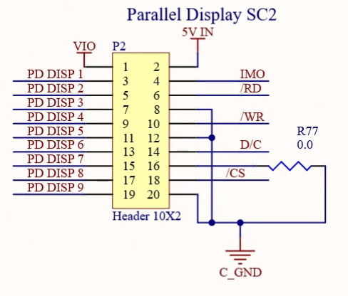
SugarCube SC2 LCD Display SPI Version Pin Outs

 | 40 pin UpBoard header | 20 pin Parallel Display | LCD 12 pin header
 | 40 pin connector pin 1 - +3.3v | 20 pin connector pin 1 - VIO | LCD pin 1 - VCC
 | 40 pin connector pin 6 - GND | 20 pin connector pin 20 - GND | LCD pin 2 - GND
 | 40 pin connector pin 23 - SPI2_CLK | 20 pin connector pin 7 - PD DISP 3 | LCD pin 3 - SCLK
 | 40 pin connector pin 19 - SPI2_MOSI | <N/A> | LCD pin 4 - MOSI | <connect to pin 19 on 40pin>
 | 40 pin connector pin 21 - SPI2_MISO | 20 pin connector pin 3 - PD DISP 1 | LCD pin 5 - MISO
 | 40 pin connector pin 24 - ISH_SPI2_CS0 | 20 pin connector pin 9 - PD DISP 4 | LCD pin 6 - CS
 | 40 pin connector pin 36 - GPIO27 | 20 pin connector pin 17 - PD DISP 8 | LCD pin 7 - RES
 | 40 pin connector pin 37 - GPIO13 | 20 pin connector pin 19 - PD DISP 9 | LCD pin 8 - DC
 | 40 pin connector pin 32 - PWM0 | 20 pin connector pin 14 - D/C | LCD pin 9 - BLK

 |  | SugarCubeMb p8_50_r1.5.PrjPcb

